HRV
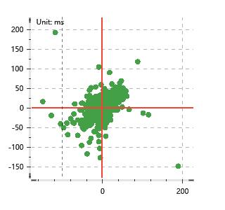
Data Info
 | Recording | 记录002
 | Subject | 牟天琦
 | Create Time | 2024-07-04 10:23:33.253
 | Data Name | Chest1 ECG
 | Data Type | ECG
 | Sample Rate | 512
 | Segment | 后静息态
 | Start Time | 0:57:30
 | End Time | 1:02:30
 | Duration | 0:05:00

Replay Chart
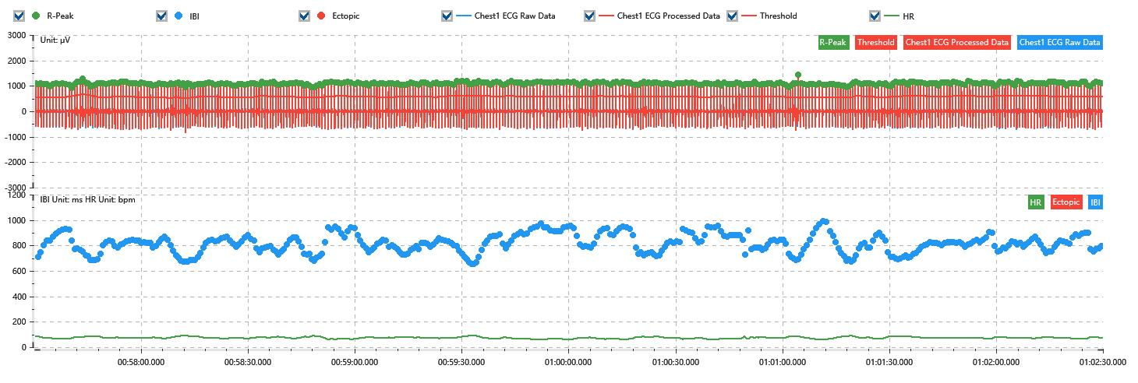

Process parameters
 | Filters
 | Wavlet filter | Enabled | 中
 | Amplitude normalization | Disabled | 中
 | High Pass filter | Enabled | 1μV
 | Band Stop filter | Enabled | 50μV
 | Low Pass filter | Enabled | 100μV
 | Interbeat Interval
 | R-Peak extraction | Maximum heart rate | 120bpm
 | R-Peak extraction | Threshold | 70%
 | Extopic detection | Percent | Disabled | 20%
 | Extopic detection | Median | Enabled | 4(samples)
 | Extopic correction | 中值 | 5(samples)

Time Domain
 | MeanIBI | MeanHR | SDNN | SDANN | RMSSD | SDSD | PNN50 | PNN20 | Data Length
 | 810.44ms | 74bpm | 73.04ms | 0ms | 33.05ms | 33.09ms | 9.24% | 44.57% | 369

Frequency Domain
 | Band | Range | Power | Power Percent | Power Normalized | Peak | Data Length
 | ULF | 0 - 0.0033Hz | 144.79ms² | 2.76% | 0 | 0Hz | 4
 | VLF | 0.0033 - 0.04Hz | 1928.72ms² | 36.73% | 0 | 0.03Hz | 37
 | LF | 0.04 - 0.15Hz | 2870.92ms² | 54.67% | 0.9 | 0.04Hz | 113
 | HF | 0.15 - 0.4Hz | 307.24ms² | 5.85% | 0.1 | 0.15Hz | 256

 | Total Power | 5251.67ms² | LF/HF | 9.34 | VLF/ULF | 0.08
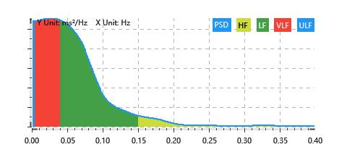

Nonlinear
 | Poincare | SD1 | 23.4ms | SD2 | 100.61ms
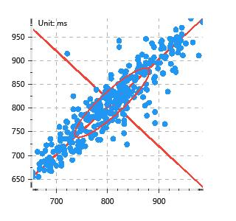

 | Scatter | A++ | 132 | B-- | 103

